1. Title Page
[Instacart Grocery Basket Analysis]

Project Name: Instacart Grocery Basket Analysis
Date:25/08/2022
Analyst Name: Frederick Ayamga

Contents:
Population Flow
Consistency checks
Wrangling steps
Column derivations
Visualizations
Recommendations

2. Population Flow
 |  |  |  |  |  |  |  | Title page

Population flow

Exclusion flag
Condition: max_order < 5
Obervations to be removed:
Final total count of order_products_all: 16163014

 |  |  |  |  |  | 206209
 |  | 32434489 |  | 49693
3421083

 |  |  |  |  |  |  | 206209
3421083 |  |  |  |  | 49693

Orders_products_combined
Orders_products_merged
Orders_products_all

Total:
Total:
Total:
 | 32434489 |  | 32434212 |  |  |  | 16153014

1.) The grey boxes in the first row of the population flow represent the original data sets as they were when you downloaded them. In the Total fields you need to add the count of the rows when you imported the data set into Jupyter.
2.) The second row of boxes (coloured) represents the data sets after you manipulated them, e.g., removed missing values and duplicates. In the Total fields you need to add the count of the rows after conducting these operations. This offers a visual oveview of how the data flows throughout the data consistency checks.
3.) The third row, where also the arrows are coloured, represents the merges you performed between the datasets. In the Total fields you need to add the count of the rows in the merged datasets, so that you end up with the final dataset (in the red box). Keep in mind the final dataset should be without exclusions (based on the exclusion flag).

3. Consistency checks
 |  |  |  | Title page
Consistency checks

Dataset | Missing values | Missing values treatment | Duplicates
orders |  | Not tackled | No duplicates
products | Missing Values |  | duplicates
orders_products_prior | No | No | No duplicates
customers | No | No | No duplicates

4. Wrangling steps
 |  |  |  | Title page
Wrangling steps

Columns dropped | Columns renamed | Columns' type changed | Comment/Reason
first_name |  |  | Data privacy
Surname |  |  | Data Privacy
 | order_dow to orders_day_of_week |  | name was not clear
 |  | user_id to string | column as a key
 |  | order_id to string | column as a key
 | firstname to first_name |  | consistency with data
 | surnam to surname |  | typing error
 | fam_status to marital_status |  | clearer
 | age to Age |  | consistency with data
 | state to State |  | consistency with data
 | gender to Gender |  | consistency with data

5. Column derivations
 |  |  |  | Title page

Column derivations and aggregations

In this tab you should add tables below that the frequences of flags/label variables that you produced after deriving them. NB: don't do this for continuous variables, only for flags.
Dataset | New column | Column/s it was derived from | Conditions
ords_prd_merge | loyalty_flag | max | If max is over 40, customer is loyal
 |  |  | If max is over 10, customer is regular
 |  |  | If max is less than 10< customer is new

 | mean_price | prices | mean for users

 | region | state | divided into regions

 | activity_flag | total_orders | low activity customers have less than 5 and regular customers have more than 5

 | spending flag | mean_price | low spender when less than 10
 |  |  | high spender when more than 10

6. Visualization and Recommenda
 |  |  |  | Title page

Visualisations

In this tab you should include all the visualtions from Exercises 4.9 and 4.10, alongside the questions from the project brief that they answer. Include any commentary on the relationship between different variables.

Key Questions

The sales team needs to know what the busiest days of the week and hours of the day are (i.e., the days and times with the most orders) in order to schedule ads at times when there are fewer orders

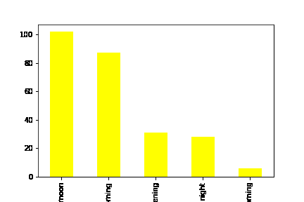

 | # 12:00am to 05:59am = early morning |  | From the bar chat, it could be seen that, there is a higher demand during afternoons from 12:00pm to 05:00pm, whilst the demand is very low in early mornings.
 | # 06:00aam to 11:59am = morning
 | # 12:00pm to 04:59pm = afternoon
 | # 05:00pm to 07:59pm = evening
 | # 8:00pm to 11:59pm = night

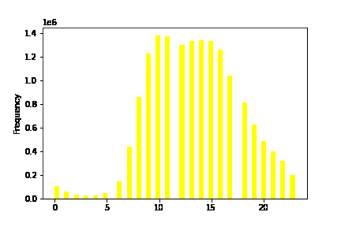

 |  | Most orders are placed between 10:00 am to 15:00 pm and orders are very low from midnight to 06:00 am.

They also want to know whether there are particular times of the day when people spend the most money, as this might inform the type of products they advertise at these times.

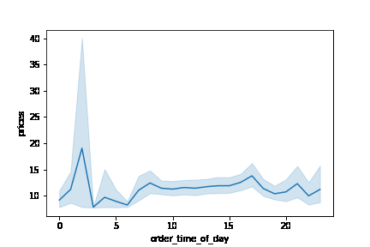

 |  | Spending is much in the early hours which also has a smaller size of order. Moreover there is higher orders with lowerexpenditure during afternoons.

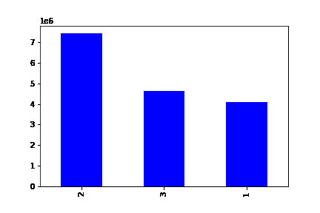
 |  | # 1 = Young Adult
 |  | # 2 = Adult
 |  | # 3 = Senior

 |  | The Chart shows most orders come in from Adults.

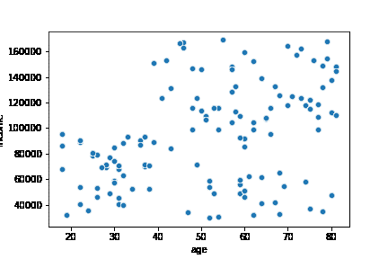

 |  | This chart shows a connection between Age and spending power. This shows a lot of Adults spend much than Younger Adults.

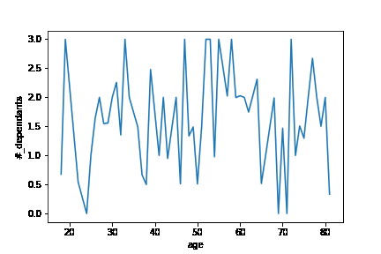

 |  | The Line chart shows the dependency ratio to Age. There is no clear connection between age and dependants.

